Daily Power Station Chart_15-01
Plant_27/03/2025Chart

Plant:odco1 |  |  | Installed Capacity:111.180kWp
Today Yield(kWh):553.200kWh |  | Today Earning:166800.000TND |  | Today Full Load Hours(h):4.98h

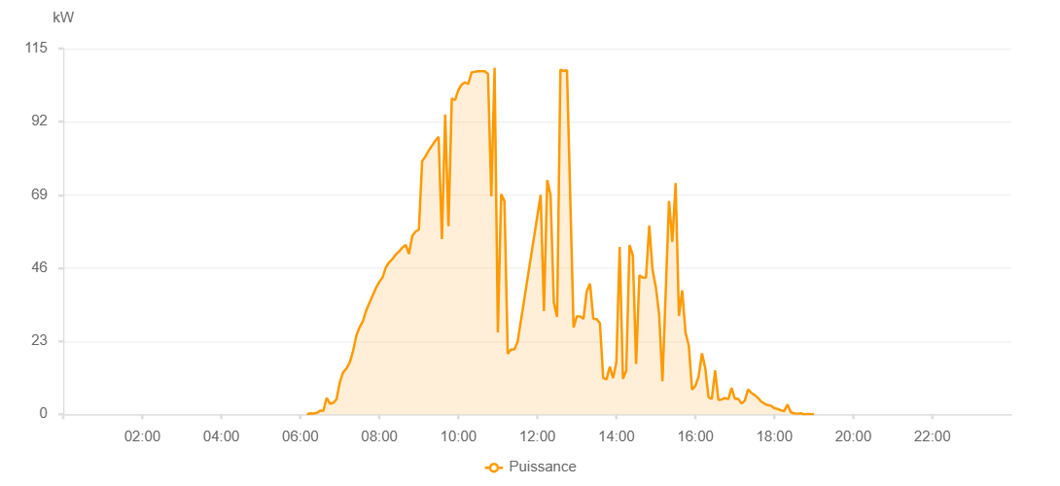

Number | Time | Working State | PV(W) | Instantaneous Radiation(W/㎡)
1 | 06:10:00 | Online | 20.00000 | 0
2 | 06:15:00 | Online | 310.00000 | 0
3 | 06:20:00 | Online | 250.00000 | 0
4 | 06:25:00 | Online | 440.00000 | 4.00000
5 | 06:30:00 | Online | 1110.00000 | 4.00000
6 | 06:35:00 | Online | 1150.00000 | 8.00000
7 | 06:40:00 | Online | 5200.00000 | 13.00000
8 | 06:45:00 | Online | 3340.00000 | 29.00000
9 | 06:50:00 | Online | 3570.00000 | 28.00000
10 | 06:55:00 | Online | 4790.00000 | 30.00000
11 | 07:00:00 | Online | 10120.00000 | 60.00000
12 | 07:05:00 | Online | 13230.00000 | 64.00000
13 | 07:10:00 | Online | 14410.00000 | 188.00000
14 | 07:15:00 | Online | 16300.00000 | 210.00000
15 | 07:20:00 | Online | 19860.00000 | 235.00000
16 | 07:25:00 | Online | 24790.00000 | 262.00000
17 | 07:30:00 | Online | 27410.00000 | 287.00000
18 | 07:35:00 | Online | 29320.00000 | 311.00000
19 | 07:40:00 | Online | 32630.00000 | 333.00000
20 | 07:45:00 | Online | 35070.00000 | 357.00000
21 | 07:55:00 | Online | 39810.00000 | 406.00000
22 | 08:00:00 | Online | 41680.00000 | 430.00000
23 | 08:05:00 | Online | 43110.00000 | 448.00000
24 | 08:10:00 | Online | 46250.00000 | 472.00000
25 | 08:15:00 | Online | 47820.00000 | 492.00000
26 | 08:20:00 | Online | 48840.00000 | 514.00000
27 | 08:25:00 | Online | 50290.00000 | 557.00000
28 | 08:30:00 | Online | 51230.00000 | 557.00000
29 | 08:35:00 | Online | 52460.00000 | 579.00000
30 | 08:40:00 | Online | 53270.00000 | 568.00000
31 | 08:45:00 | Online | 50440.00000 | 610.00000
32 | 08:50:00 | Online | 56180.00000 | 639.00000
33 | 08:55:00 | Online | 57450.00000 | 667.00000
34 | 09:00:00 | Online | 58060.00000 | 688.00000
35 | 09:05:00 | Online | 79650.00000 | 705.00000
36 | 09:10:00 | Online | 81090.00000 | 722.00000
37 | 09:15:00 | Online | 82970.00000 | 737.00000
38 | 09:20:00 | Online | 84490.00000 | 751.00000
39 | 09:25:00 | Online | 86050.00000 | 766.00000
40 | 09:30:00 | Online | 87250.00000 | 795.00000
41 | 09:35:00 | Online | 55120.00000 | 814.00000
42 | 09:40:00 | Online | 94280.00000 | 825.00000
43 | 09:45:00 | Online | 59180.00000 | 885.00000
44 | 09:50:00 | Online | 99330.00000 | 883.00000
45 | 09:55:00 | Online | 98840.00000 | 883.00000
46 | 10:00:00 | Online | 101980.00000 | 877.00000
47 | 10:05:00 | Online | 103690.00000 | 927.00000
48 | 10:10:00 | Online | 104380.00000 | 927.00000
49 | 10:15:00 | Online | 103850.00000 | 941.00000
50 | 10:20:00 | Online | 107520.00000 | 910.00000
51 | 10:25:00 | Online | 107710.00000 | 960.00000
52 | 10:30:00 | Online | 107870.00000 | 980.00000
53 | 10:35:00 | Online | 107900.00000 | 1007.00000
54 | 10:40:00 | Online | 107900.00000 | 1007.00000
55 | 10:45:00 | Online | 107080.00000 | 971.00000
56 | 10:50:00 | Online | 68580.00000 | 971.00000
57 | 10:55:00 | Online | 108930.00000 | 202.00000
58 | 11:00:00 | Online | 25720.00000 | 301.00000
59 | 11:05:00 | Online | 69200.00000 | 301.00000
60 | 11:10:00 | Online | 67040.00000 | 1100.00000
61 | 11:15:00 | Online | 19040.00000 | 235.00000
62 | 11:20:00 | Online | 20400.00000 | 177.00000
63 | 11:25:00 | Online | 20400.00000 | 177.00000
64 | 11:30:00 | Online | 22810.00000 | 1171.00000
65 | 11:55:00 | Online | 0.00001 | 0.00001
66 | 12:05:00 | Online | 69010.00000 | 1171.00000
67 | 12:10:00 | Online | 32460.00000 | 1171.00000
68 | 12:15:00 | Online | 73640.00000 | 1171.00000
69 | 12:20:00 | Online | 69030.00000 | 1171.00000
70 | 12:25:00 | Online | 35120.00000 | 1171.00000
71 | 12:30:00 | Online | 30610.00000 | 1171.00000
72 | 12:35:00 | Online | 108340.00000 | 1171.00000
73 | 12:40:00 | Online | 107960.00000 | 1171.00000
74 | 12:45:00 | Online | 108170.00000 | 1171.00000
75 | 12:55:00 | Online | 27300.00000 | 1171.00000
76 | 13:00:00 | Online | 30820.00000 | 1171.00000
77 | 13:05:00 | Online | 30820.00000 | 1171.00000
78 | 13:10:00 | Online | 30010.00000 | 277.00000
79 | 13:15:00 | Online | 38690.00000 | 277.00000
80 | 13:20:00 | Online | 41090.00000 | 277.00000
81 | 13:25:00 | Online | 30060.00000 | 277.00000
82 | 13:30:00 | Online | 29950.00000 | 277.00000
83 | 13:35:00 | Online | 28640.00000 | 277.00000
84 | 13:40:00 | Online | 11410.00000 | 277.00000
85 | 13:45:00 | Online | 10980.00000 | 277.00000
86 | 13:50:00 | Online | 14990.00000 | 277.00000
87 | 13:55:00 | Online | 11370.00000 | 277.00000
88 | 14:00:00 | Online | 16330.00000 | 277.00000
89 | 14:05:00 | Online | 52650.00000 | 277.00000
90 | 14:10:00 | Online | 11160.00000 | 277.00000
91 | 14:15:00 | Online | 13680.00000 | 277.00000
92 | 14:20:00 | Online | 53180.00000 | 277.00000
93 | 14:25:00 | Online | 49980.00000 | 277.00000
94 | 14:30:00 | Online | 15810.00000 | 277.00000
95 | 14:35:00 | Online | 43660.00000 | 277.00000
96 | 14:40:00 | Online | 42970.00000 | 277.00000
97 | 14:45:00 | Online | 43050.00000 | 277.00000
98 | 14:50:00 | Online | 59330.00000 | 817.00000
99 | 14:55:00 | Online | 45320.00000 | 277.00000
100 | 15:00:00 | Online | 39990.00000 | 277.00000
101 | 15:05:00 | Online | 31380.00000 | 277.00000
102 | 15:10:00 | Online | 10430.00000 | 277.00000
103 | 15:15:00 | Online | 38680.00000 | 277.00000
104 | 15:20:00 | Online | 67050.00000 | 817.00000
105 | 15:25:00 | Online | 54240.00000 | 817.00000
106 | 15:30:00 | Online | 72720.00000 | 817.00000
107 | 15:35:00 | Online | 30940.00000 | 277.00000
108 | 15:40:00 | Online | 38970.00000 | 817.00000
109 | 15:45:00 | Online | 25750.00000 | 817.00000
110 | 15:50:00 | Online | 21640.00000 | 817.00000
111 | 15:55:00 | Online | 7740.00000 | 277.00000
112 | 16:00:00 | Online | 8900.00000 | 277.00000
113 | 16:05:00 | Online | 11980.00000 | 277.00000
114 | 16:10:00 | Online | 19200.00000 | 799.00000
115 | 16:15:00 | Online | 14570.00000 | 817.00000
116 | 16:20:00 | Online | 5400.00000 | 277.00000
117 | 16:25:00 | Online | 4810.00000 | 277.00000
118 | 16:30:00 | Online | 13750.00000 | 277.00000
119 | 16:35:00 | Online | 4530.00000 | 277.00000
120 | 16:40:00 | Online | 4680.00000 | 277.00000
121 | 16:45:00 | Online | 5120.00000 | 277.00000
122 | 16:50:00 | Online | 4770.00000 | 277.00000
123 | 16:55:00 | Online | 8260.00000 | 277.00000
124 | 17:00:00 | Online | 4920.00000 | 277.00000
125 | 17:05:00 | Online | 4920.00000 | 277.00000
126 | 17:10:00 | Online | 3400.00000 | 277.00000
127 | 17:15:00 | Online | 4250.00000 | 277.00000
128 | 17:20:00 | Online | 7830.00000 | 277.00000
129 | 17:25:00 | Online | 6740.00000 | 277.00000
130 | 17:30:00 | Online | 6070.00000 | 277.00000
131 | 17:35:00 | Online | 5210.00000 | 277.00000
132 | 17:40:00 | Online | 4030.00000 | 277.00000
133 | 17:45:00 | Online | 3360.00000 | 277.00000
134 | 17:50:00 | Online | 2870.00000 | 277.00000
135 | 17:55:00 | Online | 2710.00000 | 277.00000
136 | 18:00:00 | Online | 1940.00000 | 277.00000
137 | 18:05:00 | Online | 1680.00000 | 277.00000
138 | 18:10:00 | Online | 1270.00000 | 277.00000
139 | 18:15:00 | Online | 1020.00000 | 277.00000
140 | 18:20:00 | Online | 3090.00000 | 780.00000
141 | 18:25:00 | Online | 630.00000 | 277.00000
142 | 18:30:00 | Online | 300.00000 | 277.00000
143 | 18:35:00 | Online | 190.00000 | 277.00000
144 | 18:40:00 | Online | 330.00000 | 780.00000
145 | 18:45:00 | Online | 20.00000 | 277.00000
146 | 18:50:00 | Online | 40.00000 | 780.00000
147 | 18:55:00 | Online | 40.00000 | 780.00000
148 | 19:00:00 | Online | 20.00000 | 277.00000
149 | 19:25:00 | Online | 0.00001 | 0.00001
150 | 19:40:00 | Online | 0.00001 | 0.00001

